Sheet1

 |  | Registration Form

DATE: | 06 JUNE 2020 |  |  |  |  |  |  | MEMBER CODE: 00113
MEMBER PERSONAL DETAILS
FAMILY NAME: |  | BALLENER |  |  |  | BIRTHDATE(mm/dd/yy): |  |  | 05/24/83
FIRST NAME: |  | RODRIGO |  |  |  | AGE: | 37
MIDDLE NAME: |  | LECIAS |  |  |  | BIRTHPLACE: |  | TAGBILARAN CITY
SUFFIX: |  | JR.
NICK-NAME: |  | DIGOY |  |  |  | GENDER: | MALE
POSITION: |  | 2ND OFFICER |  |  |  | STATUS: | SINGLE
MANNING COMPANY: |  |  | FOSCON SHIPMANAGEMENT INC
CONTACT PERSON: |  | MR. ROMAR M. CRUZ |  |  |  | CONTACT NUMBER: |  | 09285004438
MEMBER CONTACT DETAILS
PERMANENT ADDRESS: |  |  | 0142-F LINO CHATTO DRIVE, BRGY. COGON TAGBILARAN CITY, BOHOL

EMAIL ADDRESS: |  | ballener@yahoo.com |  |  | FACEBOOK/MESSENGER: |  |  | Diggy Lecias Ballener
CONTACT NUMBER: |  | 09152551285

ADDRESS IN MANILA (IF RESIDING IN PROVINCE) |  |  |  |  |  | N/A

MEMBER EMERGENCY CONTACT DETAILS
CONTACT NAME AND ADDRESS IN CASE OF ACCIDENT:
FULL NAME: |  | JUVELYN F. LUDEVESE |  |  |  | RELATIONSHIP TO THE MEMBER: |  |  | FIANCEE
ADDRESS: |  | 0142-F LINO CHATTO DRIVE, BRGY. COGON TAGBILARAN CITY, BOHOL
CONTACT NUMBER: |  |  | 9424212200
AGE: | 33 |  |  | BIRTHDATE: |  | 12/20/1986 |  | GENDER: | FEMALE

MEMBER BENEFICIARIES
NAME |  |  |  | RELATION |  | BIRTHDATE mm/dd/yyyy |  | AGE
JUVELYN F. LUDEVESE |  |  |  | FIANCEE |  | 12/20/1986 |  | 33

REFERRED BY: |  | CAPT RAFAEL F. DORONA JR.
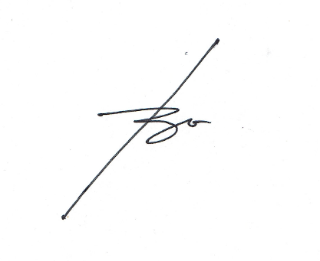
I HEREBY CONFIRMED THAT THE ABOVE DETAILS IS TRUE AND CORRECT

FORM-001-2019(Rev.0) |  |  |  |  |  | SIGNATURE
HMI

